Sample Budget
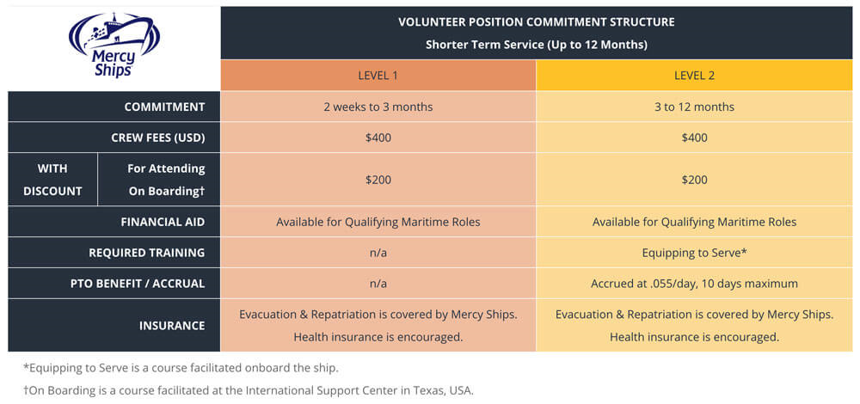
 |  | CrewMates
MINIMUM MONTHLY BUDGET CALCULATOR
CREW FEES |  |  | MONTHLY BUDGET CALCULATOR
 | Commitment Length: | Per Adult: | ADULT CREW FEES:
 | 12+ months | $200.00 | $-
 | 2 weeks to 12 months | $400.00

TRAVEL |  |  | YOUR TRAVEL COSTS:
 | Compute the cost of travel to / from the vessel and divide it by the number of months you will be serving: Example: $1500 ÷ 12 months = $125.00 per month. All holiday travel should be budgeted under Personal Expenses. Your travel for support raising and business may also be included in this category. |  | $-

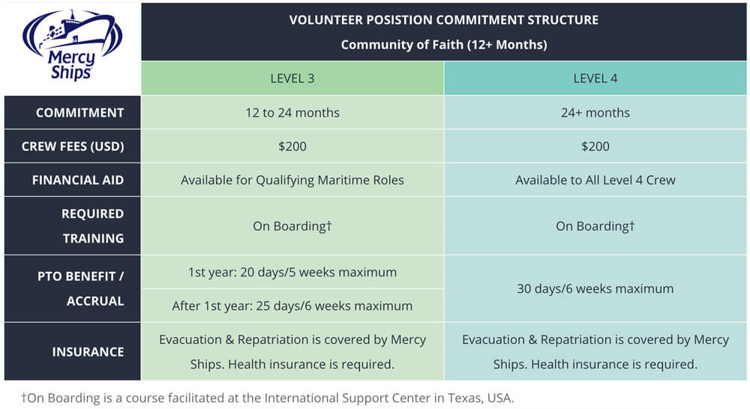
PERSONAL EXPENSES |  |  | EXPENSES:
 | Personal expenses might include toiletries, clothes, entertainment, outings, hobbies, prescriptions, meals, snacks and souvenirs. Remember to budget for donor relations, tithes/offerings, Christmas and birthdays. We recommend budgeting around $250 per month per person, but this is dependent on your needs and spending habits. |  | $-

HEALTH INSURANCE |  |  | INSURANCE:
 | Estimate between $75-$200 depending on health insurance provider and coverage selection. |  | $-

ESTIMATED MONTHLY BUDGET TOTAL: |  |  | $-

MISCELLANEOUS FEES & DISCOUNT NOTES
 | Crew serving more than 12 months are required to attend our On Boarding training program (typically in Texas, USA). There is no charge for your food or accommodations, but you will also need to budget for your travel. For those electing to take On Boarding who are not required to do so, crew fees will be discounted to $200 per month.
 | A 50% discount is given to those serving for less than 12 months, who do not live and/or have citizenship in a "high income country" as defined by the World Bank.

 | If you have questions, please contact financial.support@mercyships.org. |  | Last updated July 2021

